Sheet1 (3)
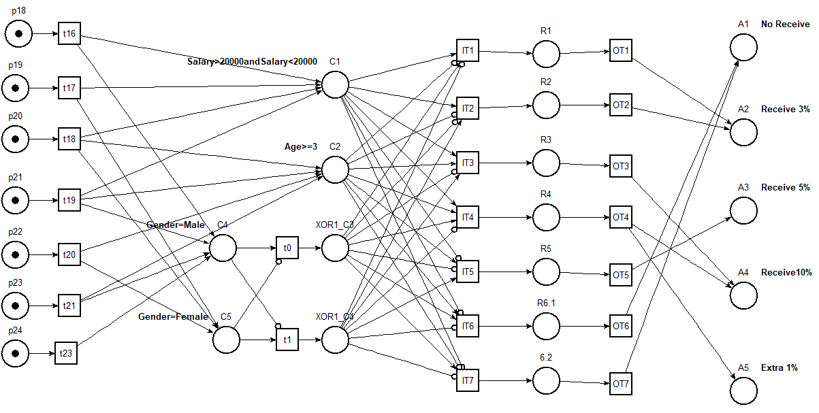
ID | Variable1/Description | Operator1 | Value1 | Logic Gate | Variable2/Description | Operator2 | Value2 | R1
C7 | Salary | = | 15000 | and | Salary | < | 20000 | t
C8 | Salary | = | 15000 | and | Salary | <= | 20000 | f
C9 | Salary | > | 15000 | and | Salary | = | 50000 | f
C10 | Salary | > | 15000 | and | Salary | < | 50000 | f
C11 | Salary | > | 15000 | and | Salary | <= | 15000 | f
C12 | Salary | >= | 15000 | and | Salary | = | 50000 | f
C13 | Salary | >= | 15000 | and | Salary | < | 50000 | f
A1 | No Receive
A2 | Receive 3%
A3 | Receive 5% |  |  |  |  |  |  | X
A4 | Receive10%
A5 | Extra 1%

